Sheet1
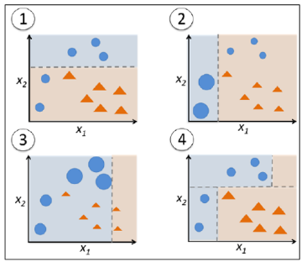
1.Xtream gradient Boosting(XG BOOST) | ENSEMBLE TECHNIQUES
XG boost algorithm can be used for both classification and regression problem. | 1.Bagging or Bootstrapping aggregation | 2.Boosting
 |  | i.ada boost
 |  | ii.gradient decent boosting
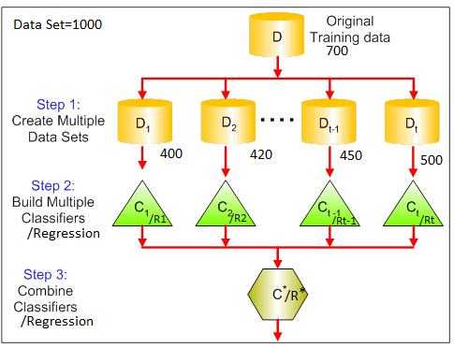
 |  | iii) XG BOOST

Sheet2
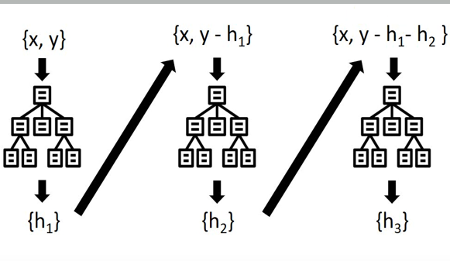
1.Gradient decent Boosting
 |  |  |  |  |  | similarity weight | 0 |  | X1
step1 | calculate base model resuduals |  |  |  |  |  |  | <=2 |  | >2
step2 | split the tree based on indpendent features |  |  |  |  |  |  |  | [0.3,0.3,0.3]
step3 | calculate similarity weigh for each leave similarity weight = (Σresuduals)2/(no of resuduals + λ) |  |  |  |  |  | [ -8 ] |  |  |  | [ -6,6,-6,12,2 ]

 |  |  |  |  |  | similarity weight | 32 |  |  |  | 12.8
step4 | calculate gain |  |  |  |  | output | -8 |  |  |  | 1.6
 |  |  |  |  |  | gain = | 44.8

 |  |  |  |  |  | similarity weight | 0 |  | X1
 | model1 |  |  | model2 |  |  |  | <=2.5 |  | >2
 |  |  |  |  |  |  |  |  | [0.3,0.3,0.3]
Exp | Salary(K) | prediction(h1) | error=actual(y)-prediction(h1) |  | prediction(h2) |  | [ -8,-6 ] |  |  |  | [ 6,-6,12,2 ]
2 | 40 | 48 | -8 |  | 47.2
2.5 | 42 | 48 | -6 |  |  | similarity weight | 98 |  |  |  | 39.2
3 | 54 | 48 | 6
3.5 | 42 | 48 | -6 |  |  | gain = | 137.2
4 | 60 | 48 | 12 |  |  | new prediction= | model1 prediction+Σ learning rate *output
4.5 | 50 | 48 | 2
 | mean= | 48 | new prediction= | model1 prediction+learning rate *Output
 |  |  |  | learning rate= | 0.1 | gamma γ is a one of hyperparameter in XG BOOST

